Streams
File name | Natural Gas Dehydration with TEG.hsc
Unit Operation | TEG to Pump

Workflow
1. Open attached Natural Gas Dehydration.hsc file.
2. Click on the Datasheet button on the ribbon.
3. Select a server to connect, then connect to a workspace.
4. Go to Mapper tab, click on the hyperlink of TEG to Pump, Stream Mapping screen opens.
5. Select 'Primary Stram' for the MapAs Column, and 'Create' for Workspace Object column.
6. Click on Close icon at the top right to close the Stream Mapping screen.
7. Click Save Change and Transfer button.
8. Click on the Explorer tab, click on TEG to Pump in by Folder view. Make sure all data are correctly.

Expected Results
 |  |  |  |  | In ABE
Stream (CQ00730633)
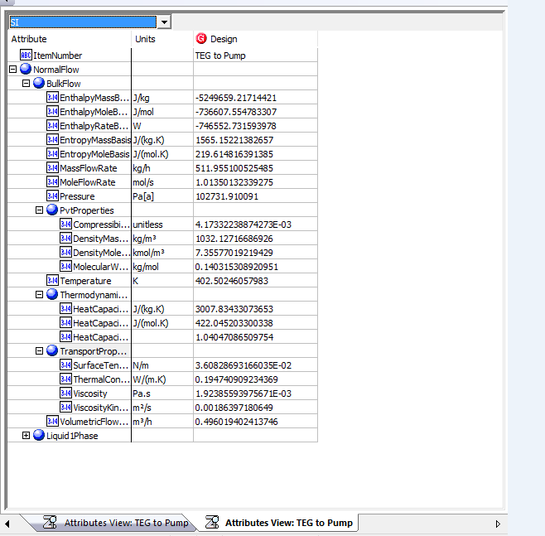
Index Number | Attributes | AbeAdsPump Class View | ABE Default Attributes View | Baseline

11 | Compressbility(Z Factor) | BulkCompressibility (unitless) | NormalFlow. BulkFlow.PvProperties.Compressiblity | 4.17E-03
23 | HeatCapacityRatio(Cp/Cv) | BulkHeatCapacityRatio | NormalFlow. BulkFlow.ThermodynamicProperties.HeatCapacityRatio | 1.0404708651
26 | MassDensity(kg/m3) | BulkMassDensity(kg/m3) | NormalFlow. BulkFlow.PvProperties.DensityMassBasis(kg/m3) | 1032.1271669
27 | MassEnthalpy(J/g) | BulkMassEnthalpy(J/kg) | NormalFlow. BulkFlow.EnthalpyMassBasis(J/kg) | -5.25E+06
28 | MassEntropy(J/g-K) | BulkMassEntropy(J/(kg.K)) | NormalFlow. BulkFlow.EntropyMassBasis(J/kg) | 1.5651522138
29 | MassFlow(kg/h) | BulkMassFlow(kg/h) | NormalFlow. BulkFlow.MassFlowRate(kg/h) | 5.12E+02
30 | MassHeatCapacity(kJ/kg-C) | BulkMassHeatCapacity(J/(kg.K)) | NormalFlow. BulkFlow.ThermodynamicProperties.HeatCapacityConstantPressureMassBasis(J/(kg.K)) | 3.0078343307
32 | MolarDensity(kgmole/m3) | BulkMolarDensity(kmol/m3) | NormalFlow. BulkFlow.PvProperties.DensityMoleBasis(kmol/m3) | 7.3557701922
33 | MolarEnthalpy(J/gmole) | BulkMolarEnthalpy(J/mol) | NormalFlow. BulkFlow.EnthalpyMoleBasis(J/mol) | -7.37E+05
34 | MolarEntropy(J/gmol-K) | BulkMolarEntropy(J/(mol.K)) | NormalFlow. BulkFlow.EntropyMassBasisBulkMolarEntropy(J/(mol.K)) | 219.61481639
35 | MolarFlow(gmol/s) | BulkMolarFlow(mol/s) | NormalFlow. BulkFlow.MoleFlowRate(mol/s) | 1.01E+00
36 | MolarHeatCapacity(J/gmole-K) | BulkMolarHeatCapacity(J/(mol.K) | NormalFlow. BulkFlow.ThermodynamicProperties.HeatCapacityConstantPressureMoleBasis(J/(mol.K) | 422.0452033
38 | MolecularWeight | BulkMolecularWeight(kg/mol) | NormalFlow. BulkFlow.PvProperties.MolecularWeight(kg/mol) | 140.31530892
44 | Pressure (Kpa) | BulkPressure (Pa[a]) | NormalFlow. BulkFlow.Pressure (Pa[a]) | 102.73191009
51 | Surface Tension(N/m) | BulkSurfaceTension(N/m) | NormalFlow. BulkFlow.TransportProperties.SurfaceTension(N/m) | 3.61E-02
52 | Temperature(K) | BulkTemperature(K) | NormalFlow. BulkFlow.Temperature(K) | 402.50246058
53 | ThermalConductivity(W/m-K)) | BulkThermalConductivity(W/(m.K)) | NormalFlow. BulkFlow.TransportProperties.ThermalConductivity(W/(m.K)) | 0.19474090923
58 | Vicosity(cP) | BulkViscosity(Pa.s) | NormalFlow. BulkFlow.TransportProperties.Viscosity(Pa.s) | 1.9238559398
59 | KineticViscosity(cSt) | BulkViscosityKinematic(m2/s) | NormalFlow. BulkFlow.TransportProperties.ViscosityKinematic(m2/s) | 1.86E+00
60 | VolumetricFlow(m3/h) | BulkVolumetricFlow(m3/h) | NormalFlow. BulkFlow.VolumetricFlow(m3/h) | 0.49601940638

